Table 1

Selected Acquisition Report (SAR)
RCS: DD-A&T(Q&A)823-185
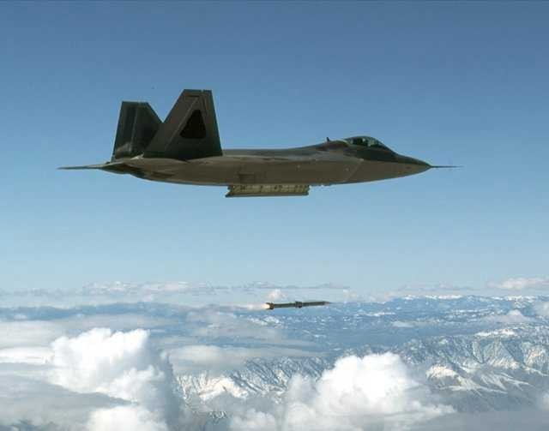
AIM-120 Advanced Medium Range Air-to-Air Missile (AMRAAM)
As of FY 2017 President's Budget
Defense Acquisition Management Information Retrieval
(DAMIR)

Table 35
Unit Cost History
Item |  |  |  |  |  | Date |  |  | BY 1992 $M |  |  |  |  | TY $M
 |  |  |  |  |  |  |  |  | PAUC |  | APUC |  |  | PAUC |  |  | APUC

Original APB |  |  | Dec 1988 |  |  |  |  |  | 0.471 |  |  | 0.409 |  |  | 0.460 |  |  | 0.413
APB as of January 2006 |  |  | Sep 1996 |  |  |  |  |  | 0.944 |  |  | 0.783 |  |  | 1.022 |  |  | 0.883
Revised Original APB |  |  | Sep 1996 |  |  |  |  |  | 0.944 |  |  | 0.783 |  |  | 1.022 |  |  | 0.883
Prior APB |  |  | Mar 2015 |  |  |  |  |  | 0.974 |  |  | 0.826 |  |  | 1.202 |  |  | 1.065
Current APB |  |  | Oct 2015 |  |  |  |  |  | 0.974 |  |  | 0.826 |  |  | 1.202 |  |  | 1.065
Prior Annual SAR |  |  | Dec 2014 |  |  |  |  |  | 1.002 |  |  | 0.822 |  |  | 1.246 |  |  | 1.057
Current Estimate |  |  | Dec 2015 |  |  |  |  |  | 0.932 |  |  | 0.793 |  |  | 1.150 |  |  | 1.020
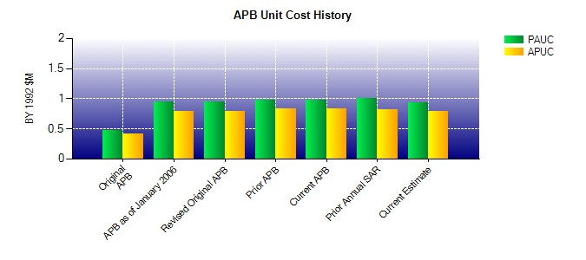
SAR Unit Cost History
Current SAR Baseline to Current Estimate (TY $M)
Initial PAUC Production Estimate | Changes |  |  |  |  |  |  |  |  |  |  |  |  |  |  | PAUC Current Estimate
 | Econ | Qty |  |  | Sch |  | Eng | Est |  | Oth | Spt |  | Total
0.849 -0.017 -0.007 0.145 0.068 0.079 0.000 0.033 0.301 1.150
Current SAR Baseline to Current Estimate (TY $M)
Initial APUC Production Estimate | Changes |  |  |  |  |  |  |  |  |  |  |  |  |  |  | APUC Current Estimate
 | Econ | Qty |  | Sch |  |  | Eng | Est |  | Oth | Spt |  | Total
0.761 -0.015 0.002 0.144 0.031 0.064 0.000 0.033 0.259 1.020

